Diagrams
BMS4 Temperature
 | Fire | Unprotected beam
0 | 20 | 20
1 | 349.21366576 | 49.418101
2 | 444.50487788 | 101.833455
3 | 502.28930299 | 158.153605
4 | 543.88730926 | 223.339954
5 | 576.41043057 | 294.462898
6 | 603.11764761 | 357.692375
7 | 625.77682521 | 416.394362
8 | 645.45510804 | 469.158176
9 | 662.84638674 | 515.403797
10 | 678.42733151 | 552.175145
11 | 692.53955229 | 586.697155
12 | 705.43624832 | 616.20158
13 | 717.31030818 | 641.636503
14 | 728.312063 | 663.424387
15 | 738.56095276 | 681.960565
16 | 748.15345005 | 697.607296
17 | 757.16859567 | 710.62254
18 | 765.67196077 | 721.099372
19 | 773.71854363 | 729.475067
20 | 781.35492723 | 734.337128
21 | 788.62091309 | 738.088223
22 | 795.55077689 | 744.861326
23 | 802.1742463 | 755.170981
24 | 808.51727161 | 767.780017
25 | 814.60263981 | 780.835188
26 | 820.45046871 | 793.042167
27 | 826.07860818 | 803.874089
28 | 831.50296875 | 813.300742
29 | 836.73779275 | 821.512357
30 | 841.79587969 | 828.754338
31 | 846.68877475 | 835.251805
32 | 851.42692755 | 841.185051
33 | 856.01982651 | 846.688628
34 | 860.47611323 | 851.85907
35 | 864.80368037 | 856.764259
36 | 869.00975575 | 861.45166
37 | 873.10097501 | 865.954681
38 | 877.08344457 | 870.297251
39 | 880.96279645 | 874.152107
40 | 884.74423618 | 878.232732
41 | 888.43258479 | 882.19366
42 | 892.0323158 | 886.043641
43 | 895.5475878 | 889.790019
44 | 898.98227336 | 893.439121
45 | 902.33998466 | 896.996513
46 | 905.62409632 | 900.467309
47 | 908.83776582 | 903.852088
48 | 911.98395168 | 907.153036
49 | 915.06542988 | 910.377562
...

SS_B5 Displacements
 | Midspan - 20 N/mm |  | Midspan - 40 N/mm
0 | -21.160164737 | 0 | -42.315963268
0.125 | -21.174842568 | 0.125 | -42.345310105
0.25 | -21.189541143 | 0.25 | -42.374698434
0.375 | -21.204260502 | 0.375 | -42.404128333
0.5 | -21.219000683 | 0.5 | -42.433599882
0.625 | -21.247217892 | 0.625 | -42.490017449
0.75 | -21.275511567 | 0.75 | -42.546587953
0.875 | -21.303881988 | 0.875 | -42.603523921
1 | -21.332329438 | 1 | -42.662113385
1.125 | -21.368582976 | 1.125 | -42.737862951
1.25 | -21.404961911 | 1.25 | -42.815004276
1.375 | -21.441466831 | 1.375 | -42.893015745
1.5 | -21.478098329 | 1.5 | -42.975675953
1.625 | -21.519885051 | 1.625 | -43.07442594
1.75 | -21.561836949 | 1.75 | -43.176814253
1.875 | -21.603954906 | 1.875 | -43.288784179
2 | -21.652318367 | 2 | -43.427534093
2.125 | -21.723263514 | 2.125 | -43.646642105
2.25 | -21.794667503 | 2.25 | -43.944736903
2.375 | -21.866534613 | 2.375 | -44.312247544
2.5 | -21.938869172 | 2.5 | -44.747956111
2.625 | -22.002266351 | 2.625 | -45.184243748
2.75 | -22.066024495 | 2.75 | -45.649071652
2.875 | -22.130146567 | 2.875 | -46.182754893
3 | -22.194635562 | 3 | -46.758799579
3.125 | -22.274672954 | 3.125 | -47.604042618
3.25 | -22.355278769 | 3.25 | -48.609489547
3.375 | -22.436458858 | 3.375 | -49.642497988
3.5 | -22.518219246 | 3.5 | -50.681883998
3.625 | -22.601885347 | 3.625 | -51.958672603
3.75 | -22.719684297 | 3.75 | -54.139265674
3.875 | -22.845065118 | 3.875 | -56.82743268
4 | -22.971811522 | 4 | -60.016006303
4.125 | -23.100422466 | 4.125 | -64.182448313
4.25 | -23.230460206 | 4.25 | -69.126276434
4.375 | -23.361954721 | 4.375 | -74.255625497
4.5 | -23.494939156 | 4.5 | -80.984756721
4.625 | -23.650707361 | 4.625 | -89.115028493
4.75 | -23.808587065 | 4.75 | -98.584748848
4.875 | -23.96866015 | 4.875 | -108.70676083
5 | -24.131029777 | 5 | -119.70074923
5.125 | -24.28312066 | 5.125 | -130.14145565
5.25 | -24.468395714 | 5.25 | -142.78776008
5.375 | -24.656811027 | 5.375 | -156.14712068
5.5 | -24.848564226 | 5.5 | -170.12230276
5.625 | -25.038430763 | 5.625 | -184.62161504
5.75 | -25.231944223 | 5.75 | -199.48607646
5.875 | -25.429431841 | 5.875 | -214.57572987
6 | -25.631314317 | 6 | -229.99509945
6.125 | -25.830531959 | 6.125 | -244.93151141
...
SS_B5 Displacements
 | Midspan - 20 N/mm |  | Midspan - 40 N/mm
20 | -21.160164737 | 20 | -42.315963268
22.52700975 | -21.174842568 | 22.52700975 | -42.345310105
25.0540195 | -21.189541143 | 25.0540195 | -42.374698434
27.58102925 | -21.204260502 | 27.58102925 | -42.404128333
30.108039 | -21.219000683 | 30.108039 | -42.433599882
34.9355545 | -21.247217892 | 34.9355545 | -42.490017449
39.76307 | -21.275511567 | 39.76307 | -42.546587953
44.5905855 | -21.303881988 | 44.5905855 | -42.603523921
49.418101 | -21.332329438 | 49.418101 | -42.662113385
55.551375 | -21.368582976 | 55.551375 | -42.737862951
61.684649 | -21.404961911 | 61.684649 | -42.815004276
67.817923 | -21.441466831 | 67.817923 | -42.893015745
73.951197 | -21.478098329 | 73.951197 | -42.975675953
80.9217615 | -21.519885051 | 80.9217615 | -43.07442594
87.892326 | -21.561836949 | 87.892326 | -43.176814253
94.8628905 | -21.603954906 | 94.8628905 | -43.288784179
101.833455 | -21.652318367 | 101.833455 | -43.427534093
109.35834025 | -21.723263514 | 109.35834025 | -43.646642105
116.8832255 | -21.794667503 | 116.8832255 | -43.944736903
124.40811075 | -21.866534613 | 124.40811075 | -44.312247544
131.932996 | -21.938869172 | 131.932996 | -44.747956111
138.48814825 | -22.002266351 | 138.48814825 | -45.184243748
145.0433005 | -22.066024495 | 145.0433005 | -45.649071652
151.59845275 | -22.130146567 | 151.59845275 | -46.182754893
158.153605 | -22.194635562 | 158.153605 | -46.758799579
166.23739925 | -22.274672954 | 166.23739925 | -47.604042618
174.3211935 | -22.355278769 | 174.3211935 | -48.609489547
182.40498775 | -22.436458858 | 182.40498775 | -49.642497988
190.488782 | -22.518219246 | 190.488782 | -50.681883998
198.701575 | -22.601885347 | 198.701575 | -51.958672603
206.914368 | -22.719684297 | 206.914368 | -54.139265674
215.127161 | -22.845065118 | 215.127161 | -56.82743268
223.339954 | -22.971811522 | 223.339954 | -60.016006303
231.583036 | -23.100422466 | 231.583036 | -64.182448313
239.826118 | -23.230460206 | 239.826118 | -69.126276434
248.0692 | -23.361954721 | 248.0692 | -74.255625497
256.312282 | -23.494939156 | 256.312282 | -80.984756721
265.849936 | -23.650707361 | 265.849936 | -89.115028493
275.38759 | -23.808587065 | 275.38759 | -98.584748848
284.925244 | -23.96866015 | 284.925244 | -108.70676083
294.462898 | -24.131029777 | 294.462898 | -119.70074923
302.47834925 | -24.28312066 | 302.47834925 | -130.14145565
310.4938005 | -24.468395714 | 310.4938005 | -142.78776008
318.50925175 | -24.656811027 | 318.50925175 | -156.14712068
326.524703 | -24.848564226 | 326.524703 | -170.12230276
334.316621 | -25.038430763 | 334.316621 | -184.62161504
342.108539 | -25.231944223 | 342.108539 | -199.48607646
349.900457 | -25.429431841 | 349.900457 | -214.57572987
357.692375 | -25.631314317 | 357.692375 | -229.99509945
365.19845525 | -25.830531959 | 365.19845525 | -244.93151141
...

Deflected shape
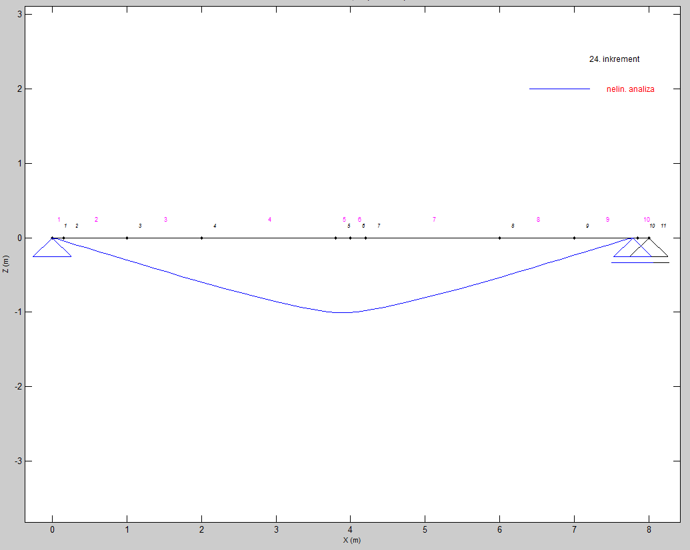
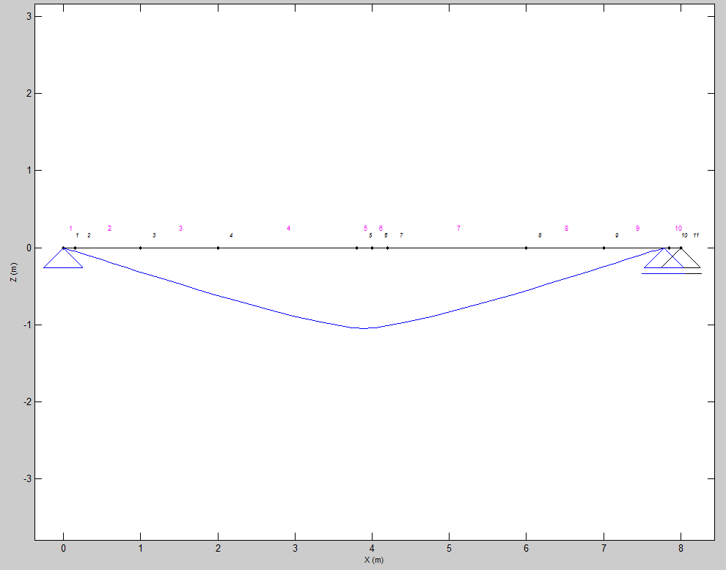

Load = 40 N/mm | Load = 20 N/mm

